26 Market Impact ENERGY STAR
SOURCE: | EPA (2019) |  |  |  | SOURCE: | EPA (2019)
Clothes Washer |  |  |  |  | Refrigerator
DATA: |  |  |  |  | DATA:

For clothes washers: |  |  |  |  | For refrigerators:
Year | ENERGY STAR Performance Level | ENERGY STAR Annual Energy Consumption | Shipment-Weighted Average Energy Consumption | Capacity | Year | ENERGY STAR Performance Level | Annual Energy Consumption (Shipment-Weighted Average) | Volume
 | kWh/year | kWh/year | kWh/year | (cu-ft) |  | kWh/year | kWh/year | (cu-ft)

1980-01-01 |  |  |  |  | 1980-01-01 |  | 1275 | 19.6
1981-01-01 |  |  |  | 2.52 | 1981-01-01 |  | 1200
1982-01-01 |  |  |  |  | 1982-01-01 |  | 1200
1983-01-01 |  |  |  |  | 1983-01-01 |  | 1160
1984-01-01 |  |  |  |  | 1984-01-01 |  | 1140
1985-01-01 |  |  |  |  | 1985-01-01 |  | 1060
1986-01-01 |  |  |  |  | 1986-01-01 |  | 1080
1987-01-01 |  |  |  |  | 1987-01-01 |  | 970
1988-01-01 |  |  |  |  | 1988-01-01 |  | 960
1989-01-01 |  |  |  |  | 1989-01-01 |  | 950
1990-01-01 |  |  |  | 2.63 | 1990-01-01 |  | 916 | 20.45
1991-01-01 |  |  |  | 2.72 | 1991-01-01 |  | 857 | 19.82
1992-01-01 |  |  |  | 2.71 | 1992-01-01 |  | 821 | 19.78
1993-01-01 |  |  |  | 2.71 | 1993-01-01 |  | 660 | 20.11
1993-01-01 |  |  |  | 2.71 | 1993-01-01 |  | 660 | 20.11
1994-01-01 |  |  |  | 2.69 | 1994-01-01 |  | 653 | 20.03
1994-05-14 |  |  |  | 2.69 | 1995-01-01 |  | 649 | 19.95
1995-01-01 |  |  |  | 2.72 | 1996-01-01 |  | 661 | 20.31
1996-01-01 |  |  |  | 2.8 | 1996-10-01 |  | 661 | 20.31
1996-10-01 |  |  |  | 2.8 | 1996-10-01 | 570 | 661 | 20.31
1996-10-01 |  |  |  | 2.8 | 1997-01-01 | 570 | 669 | 20.43
1997-01-01 |  |  |  | 2.83 | 1998-01-01 | 570 | 680 | 20.55
1998-01-01 |  |  |  | 2.85 | 1999-01-01 | 570 | 690 | 20.64
1999-01-01 |  |  |  | 2.89 | 2000-01-01 | 570 | 704 | 21.90
2000-01-01 |  |  |  | 2.92 | 2001-01-01 | 570 | 565 | 21.94
2001-01-01 |  |  |  | 2.96 | 2001-07-01 | 570 | 565 | 21.94
2001-07-01 |  |  |  | 2.96 | 2001-07-01 | 476 | 565 | 21.94
2001-07-01 |  |  |  | 2.96 | 2002-01-01 | 476 | 520 | 22.15
2002-01-01 |  |  |  | 2.96 | 2003-01-01 | 476 | 514 | 22.28
2003-01-01 |  |  |  | 3.01 | 2004-01-01 | 476 | 500 | 21.52
2004-01-01 | 1016 | 885 | 930 | 3.05 | 2004-01-01 | 449 | 500 | 21.52
2004-01-01 | 1016 | 885 | 930 | 3.05 | 2005-01-01 | 449 | 490 | 20.73
2005-01-01 | 1009 | 885 | 915 | 3.08 | 2006-01-01 | 449 | 506 | 22.25
2006-01-01 | 1000 | 885 | 886 | 3.13 | 2007-01-01 | 449 | 498 | 21.87
2006-01-01 | 779 | 700 | 886 | 3.13 | 2008-01-01 | 449 | 483 | 21.35
2007-01-01 | 779 | 700 | 721 | 3.16 | 2008-04-28 | 449 | 483 | 21.35
2007-01-01 | 734 | 698 | 721 | 3.16 | 2008-04-28 | 422 | 483 | 21.35
2008-01-01 | 734 | 698 | 711 | 3.22 | 2009-01-01 | 422 | 460 | 20.98
2008-04-28 | 734 | 698 | 711 | 3.22 | 2010-01-01 | 422 | 455 | 21.97
2008-04-28 | 734 | 698 | 711 | 3.22 | 2011-01-01 | 422 | 452 | 22.00
2009-01-01 | 733 | 698 | 707 | 3.34 | 2012-01-01 | 422 | 454 | 22.59
2010-01-01 | 734 | 698 | 703 | 3.46 | 2013-01-01 | 422 | 444 | 21.66
Notes:
- The Shipment-Weighted Average Energy Consumption values are from the AHAM Efficiency Trends Report.
- The Annual Energy Consumption at ENERGY STAR Level values are based on the product class market share weight average ENERGY STAR level for refrigerators that is a function of the average volume. The source is DOE.
- The Volume values are from the AHAM Efficiency Trends Report.
- DOE updated the test procedure in 2014, which captured energy that was not previously measured. This is the primary cause for the shipment-weighted average annual energy consumption to go up from 2013 to 2014.
2011-01-01 | 737 | 698 | 652 | 3.51 | 2014-01-01 | 422 | 502 | 24.24
2011-01-01 | 649 | 689 | 652 | 3.51 | 2014-09-15 | 422 | 502 | 24.24
2012-01-01 | 650 | 689 | 672 | 3.59 | 2014-09-15 | 397 | 502 | 24.24
2013-01-01 | 650 | 689 | 676 | 3.66 | 2015-01-01 | 397 | 490 | 22.74
2013-02-01 | 650 | 689 | 676 | 3.66 | 2015-07-01 | 397 | 490 | 22.74
2013-02-01 | 650 | 689 | 676 | 3.66 | 2015-07-01 | 397 | 490 | 22.74
2014-01-01 | 651 | 689 | 695 | 3.88 | 2015-09-01 | 397 | 490 | 22.74
2014-09-15 | 651 | 689 | 695 | 3.88 | 2016-01-01 | 397 | 510 | 24.08
2014-09-15 | 651 | 689 | 695 | 3.88 | 2017-01-01 | 397 | 505 | 23.91
2015-01-01 | 651 | 689 | 650 | 3.99 | 2018-01-01 | 397
2015-03-07 | 651 | 689 | 650 | 3.99 | 2019-01-01 | 397
2015-03-07 | 487 | 560 | 650 | 3.99
2015-09-01 | 487 | 560 | 650 | 3.99
2016-01-01 | 485 | 560 | 678 | 4.09
2017-01-01 | 486 | 560 | 654 | 4.08
2018-01-01 | 486 | 560 |  | 4.08
2018-01-01 | 468 | 543 |  | 4.08
2019-01-01 | 468 | 543 |  | 4.08

Notes:
- The Shipment-Weighted Average Energy Consumption values are from the AHAM Efficiency Trends Report.
- The Annual Energy Consumption at ENERGY STAR Level values are based on the efficiency metric where the EF and MEF are cross-walked to the IMEF metric for the Front Load and Top Load configuration and weighted by the market share for Top Load and Front Load sales, which are from the AHAM Shipments Report.. This calculation is using a constant value for the capacity which is the average of the shipment-weighted capacities from the AHAM Efficiency Trends Report from 2004 through 2017.
- The Capacity values are from the AHAM Efficiency Trends Report.
- DOE updated the test procedure in 2015, which captured energy that was not previously measured. This is the likely cause for the shipment-weighted average annual energy consumption to not go down from 2015 to 2016.

27 Consumption by End Use
SOURCES: | EIA (2003) | EIA (2012)
Websites: | https://www.eia.gov/consumption/commercial/archive/cbecs/cbecs2003/detailed_tables_2003/2003set19/2003html/e01a.html | https://www.eia.gov/consumption/commercial/data/2012/c&e/cfm/e1.php
See: | CBECS, Major fuel consumption by end use | CBECS, Major fuel consumption by end use

DATA:

 |  | Space heating | Cooling | Ventilation | Water heating | Lighting | Cooking | Refrigeration | Office equipment | Computing | Other | Sum
 |  | trillion Btu | trillion Btu | trillion Btu | trillion Btu | trillion Btu | trillion Btu | trillion Btu | trillion Btu | trillion Btu | trillion Btu | trillion Btu
 | 2003 | 2,365 | 516 | 436 | 501 | 1,340 | 190 | 381 | 69 | 156 | 569 | 6,523
 | 2012 | 1,756 | 656 | 668 | 507 | 724 | 517 | 670 | 172 | 405 | 889 | 6,964

AEO End Use Data (Alternate Data)
AEO 2022 Table 5 Reference Case
https://www.eia.gov/outlooks/aeo/data/browser/#/?id=5-AEO2022&cases=ref2022&sourcekey=0 |  |  |  |  |  |  |  |  |  |  |  |  | Source | Link
 |  | Delivered Energy Use by End Use: Space Heating (quads) quads | Delivered Energy Use by End Use: Space Cooling (quads) quads | Delivered Energy Use by End Use: Water Heating (quads) quads | Delivered Energy Use by End Use: Ventilation (quads) quads | Delivered Energy Use by End Use: Cooking (quads) quads | Delivered Energy Use by End Use: Lighting (quads) quads | Delivered Energy Use by End Use: Refrigeration (quads) quads | Delivered Energy Use by End Use: Computing (quads) quads | Delivered Energy Use by End Use: Office Equipment (quads) quads | Delivered Energy Use by End Use: Other Uses (quads) quads | Delivered Energy Use by End Use: Delivered Energy (quads) quads
 | 2007 | 1.775 | 0.587 | 0.556 | 0.490 | 0.188 | 1.059 | 0.401 | 0.213 | 0.218 | 2.954 | 8.440 | AEO2010 | https://www.eia.gov/outlooks/aeo/data/browser/#/?id=5-AEO2010&region=0-0&cases=aeo2010r&start=2007&end=2035&f=A&linechart=aeo2010r-d111809a.5-5-AEO2010~aeo2010r-d111809a.48-5-AEO2010~aeo2010r-d111809a.49-5-AEO2010~aeo2010r-d111809a.50-5-AEO2010~aeo2010r-d111809a.51-5-AEO2010~aeo2010r-d111809a.52-5-AEO2010~aeo2010r-d111809a.53-5-AEO2010~aeo2010r-d111809a.54-5-AEO2010~aeo2010r-d111809a.55-5-AEO2010~aeo2010r-d111809a.56-5-AEO2010~aeo2010r-d111809a.57-5-AEO2010~aeo2010r-d111809a.58-5-AEO2010&sourcekey=0
 | 2008 | 1.872 | 0.534 | 0.550 | 0.495 | 0.189 | 1.040 | 0.405 | 0.226 | 0.238 | 3.031 | 8.578 | ""
 | 2009 | 1.925 | 0.531 | 0.562 | 0.501 | 0.197 | 1.030 | 0.397 | 0.231 | 0.249 | 2.792 | 8.415 | ""

 | 2012 | 1.78 | 0.62 | 0.64 | 0.51 | 0.22 | 0.92 | 0.38 | 0.12 | 0.22 | 2.82 | 8.22
 | 2013 | 2.17 | 0.53 | 0.65 | 0.52 | 0.22 | 0.91 | 0.37 | 0.11 | 0.22 | 3.00 | 8.69 | AEO2015 | https://www.eia.gov/outlooks/aeo/data/browser/#/?id=5-AEO2015&region=0-0&cases=ref2015&start=2012&end=2040&f=A&linechart=ref2015-d021915a.11-5-AEO2015~ref2015-d021915a.48-5-AEO2015~ref2015-d021915a.49-5-AEO2015~ref2015-d021915a.50-5-AEO2015~ref2015-d021915a.51-5-AEO2015~ref2015-d021915a.52-5-AEO2015~ref2015-d021915a.53-5-AEO2015~ref2015-d021915a.54-5-AEO2015~ref2015-d021915a.55-5-AEO2015~ref2015-d021915a.56-5-AEO2015~ref2015-d021915a.57-5-AEO2015~ref2015-d021915a.58-5-AEO2015&map=ref2015-d021915a.11-5-AEO2015&sourcekey=0
 | 2014 | 2.24 | 0.51 | 0.64 | 0.51 | 0.23 | 0.89 | 0.37 | 0.09 | 0.22 | 3.26 | 8.95 | AEO2016 | https://www.eia.gov/outlooks/aeo/data/browser/#/?id=5-AEO2016&region=0-0&cases=ref2016&start=2013&end=2040&f=A&linechart=ref2016-d032416a.5-5-AEO2016~ref2016-d032416a.48-5-AEO2016~ref2016-d032416a.49-5-AEO2016~ref2016-d032416a.50-5-AEO2016~ref2016-d032416a.51-5-AEO2016~ref2016-d032416a.52-5-AEO2016~ref2016-d032416a.53-5-AEO2016~ref2016-d032416a.54-5-AEO2016~ref2016-d032416a.55-5-AEO2016~ref2016-d032416a.56-5-AEO2016~ref2016-d032416a.57-5-AEO2016~ref2016-d032416a.58-5-AEO2016&sourcekey=0
 | 2015 | 2.00 | 0.57 | 0.32 | 0.52 | 0.39 | 0.52 | 0.63 | 0.37 | 0.22 | 3.13 | 8.67 | AEO2017 | https://www.eia.gov/outlooks/aeo/data/browser/#/?id=5-AEO2017&region=0-0&cases=ref2017&start=2015&end=2050&f=A&linechart=ref2017-d120816a.5-5-AEO2017~ref2017-d120816a.48-5-AEO2017~ref2017-d120816a.49-5-AEO2017~ref2017-d120816a.50-5-AEO2017~ref2017-d120816a.51-5-AEO2017~ref2017-d120816a.52-5-AEO2017~ref2017-d120816a.53-5-AEO2017~ref2017-d120816a.54-5-AEO2017~ref2017-d120816a.55-5-AEO2017~ref2017-d120816a.56-5-AEO2017~ref2017-d120816a.57-5-AEO2017~ref2017-d120816a.58-5-AEO2017&sourcekey=0
 | 2016 | 1.93 | 0.59 | 0.61 | 0.52 | 0.40 | 0.50 | 0.64 | 0.35 | 0.33 | 3.04 | 8.91 | ""
 | 2017 | 1.93 | 0.51 | 0.61 | 0.52 | 0.41 | 0.49 | 0.65 | 0.34 | 0.36 | 3.13 | 8.94 | AEO 2018 | https://www.eia.gov/outlooks/aeo/data/browser/#/?id=5-AEO2018&region=0-0&cases=ref2018&start=2016&end=2050&f=A&linechart=ref2018-d121317a.5-5-AEO2018~ref2018-d121317a.48-5-AEO2018~ref2018-d121317a.49-5-AEO2018~ref2018-d121317a.50-5-AEO2018~ref2018-d121317a.51-5-AEO2018~ref2018-d121317a.52-5-AEO2018~ref2018-d121317a.53-5-AEO2018~ref2018-d121317a.54-5-AEO2018~ref2018-d121317a.55-5-AEO2018~ref2018-d121317a.56-5-AEO2018~ref2018-d121317a.57-5-AEO2018~ref2018-d121317a.58-5-AEO2018&sourcekey=0
 | 2018 | 1.98 | 0.53 | 0.63 | 0.51 | 0.41 | 0.49 | 0.65 | 0.34 | 0.36 | 3.01 | 8.91 | AEO 2019 | https://www.eia.gov/outlooks/aeo/data/browser/#/?id=5-AEO2019&region=0-0&cases=ref2019&start=2017&end=2050&f=A&linechart=ref2019-d111618a.5-5-AEO2019~~~~~~~~~~~~ref2019-d111618a.48-5-AEO2019~ref2019-d111618a.49-5-AEO2019~ref2019-d111618a.50-5-AEO2019~ref2019-d111618a.51-5-AEO2019~ref2019-d111618a.52-5-AEO2019~ref2019-d111618a.53-5-AEO2019~ref2019-d111618a.54-5-AEO2019~ref2019-d111618a.55-5-AEO2019~ref2019-d111618a.56-5-AEO2019~ref2019-d111618a.57-5-AEO2019~ref2019-d111618a.58-5-AEO2019&sourcekey=0
 | 2019 | 2.23 | 0.55 | 0.64 | 0.52 | 0.43 | 0.48 | 0.66 | 0.33 | 0.41 | 3.04 | 9.30 | AEO2020
 | 2020 | 2.10 | 0.56 | 0.64 | 0.51 | 0.43 | 0.53 | 0.65 | 0.33 | 0.44 | 2.50 | 8.69
 | 2021 | 2.13 | 0.55 | 0.50 | 0.64 | 0.52 | 0.43 | 0.65 | 0.18 | 0.43 | 3.03 | 9.06

 |  |  | -586.9 |  |  |  | -1058.4
Commercial Energy by End Use (Quads)
 | Delivered Energy Use by End Use: Space Heating (quads) quads | Delivered Energy Use by End Use: Space Cooling (quads) quads | Delivered Energy Use by End Use: Water Heating (quads) quads | Delivered Energy Use by End Use: Ventilation (quads) quads | Delivered Energy Use by End Use: Cooking (quads) quads | Delivered Energy Use by End Use: Lighting (quads) quads | Delivered Energy Use by End Use: Refrigeration (quads) quads | Delivered Energy Use by End Use: Computing (quads) quads | Delivered Energy Use by End Use: Office Equipment (quads) quads | Delivered Energy Use by End Use: Other Uses (quads) quads
2007 | 1.775 | 0.587 | 0.556 | 0.490 | 0.188 | 1.059 | 0.401 | 0.213 | 0.218 | 2.954
2008 | 1.872 | 0.534 | 0.550 | 0.495 | 0.189 | 1.040 | 0.405 | 0.226 | 0.238 | 3.031
2009 | 1.925 | 0.531 | 0.562 | 0.501 | 0.197 | 1.030 | 0.397 | 0.231 | 0.249 | 2.792
2012 | 1.776 | 0.616 | 0.639 | 0.510 | 0.221 | 0.924 | 0.380 | 0.115 | 0.217 | 2.822
2013 | 2.168 | 0.527 | 0.647 | 0.515 | 0.225 | 0.907 | 0.373 | 0.106 | 0.216 | 3.003
2014 | 2.238 | 0.510 | 0.645 | 0.513 | 0.226 | 0.887 | 0.366 | 0.089 | 0.216 | 3.256
2015 | 2.001 | 0.565 | 0.318 | 0.520 | 0.390 | 0.524 | 0.634 | 0.365 | 0.225 | 3.126
2016 | 1.925 | 0.588 | 0.609 | 0.518 | 0.402 | 0.498 | 0.640 | 0.353 | 0.334 | 3.039
2017 | 1.925 | 0.513 | 0.614 | 0.517 | 0.407 | 0.489 | 0.647 | 0.344 | 0.360 | 3.127
2018 | 1.975 | 0.528 | 0.633 | 0.512 | 0.411 | 0.486 | 0.646 | 0.344 | 0.360 | 3.012
2019 | 2.232 | 0.553 | 0.643 | 0.517 | 0.426 | 0.482 | 0.659 | 0.333 | 0.412 | 3.043
2020 | 2.103 | 0.558 | 0.644 | 0.506 | 0.429 | 0.535 | 0.653 | 0.330 | 0.435 | 2.499
2021 | 2.134 | 0.548 | 0.502 | 0.643 | 0.518 | 0.429 | 0.649 | 0.177 | 0.429 | 3.033

29 LED Sales after 2015
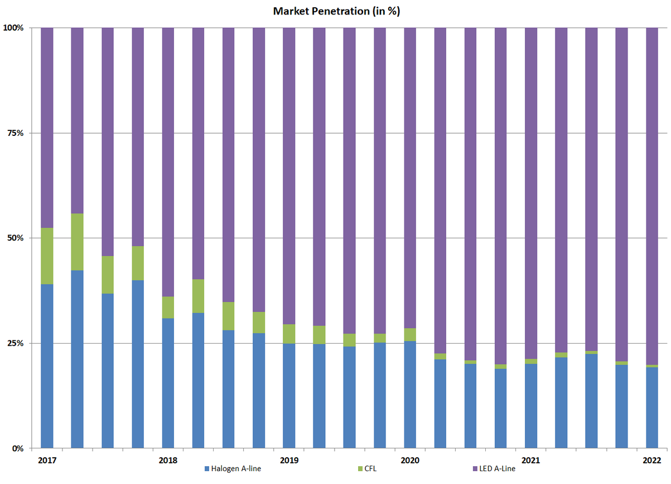
SOURCE: | NEMA (2022)
Website: | https://www.nema.org/analytics/indices/view/t-led-lamp-shipments-index-increases-in-first-quarter-2022-compared-to-previous-year
DATA
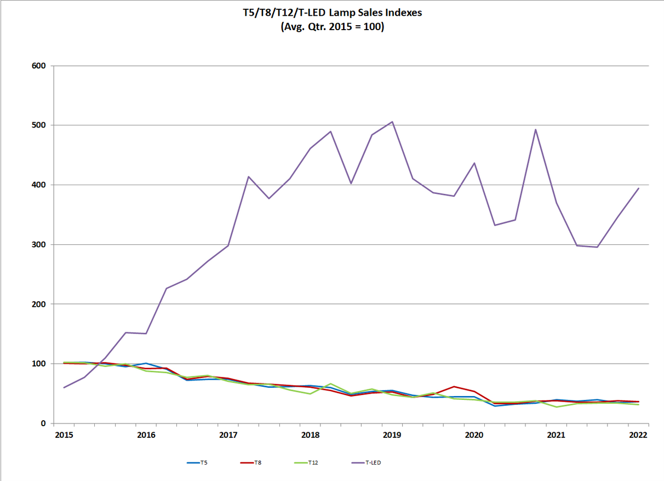

SOURCE: | NEMA (2022)
Website: | https://www.nema.org/analytics/lamp-indices
DATA

36 Performance Standards
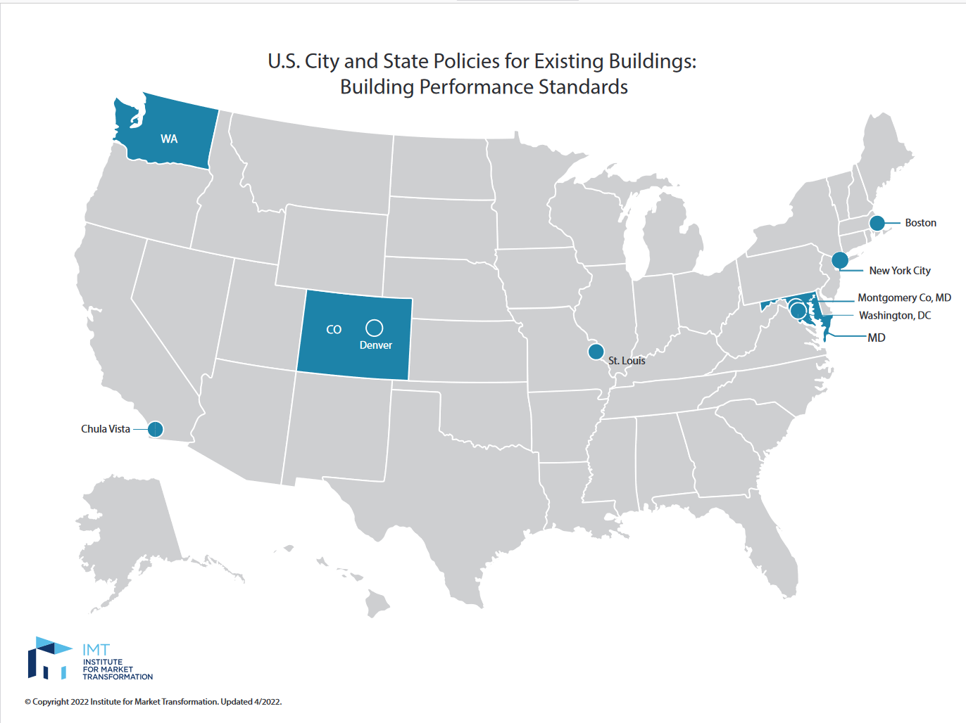
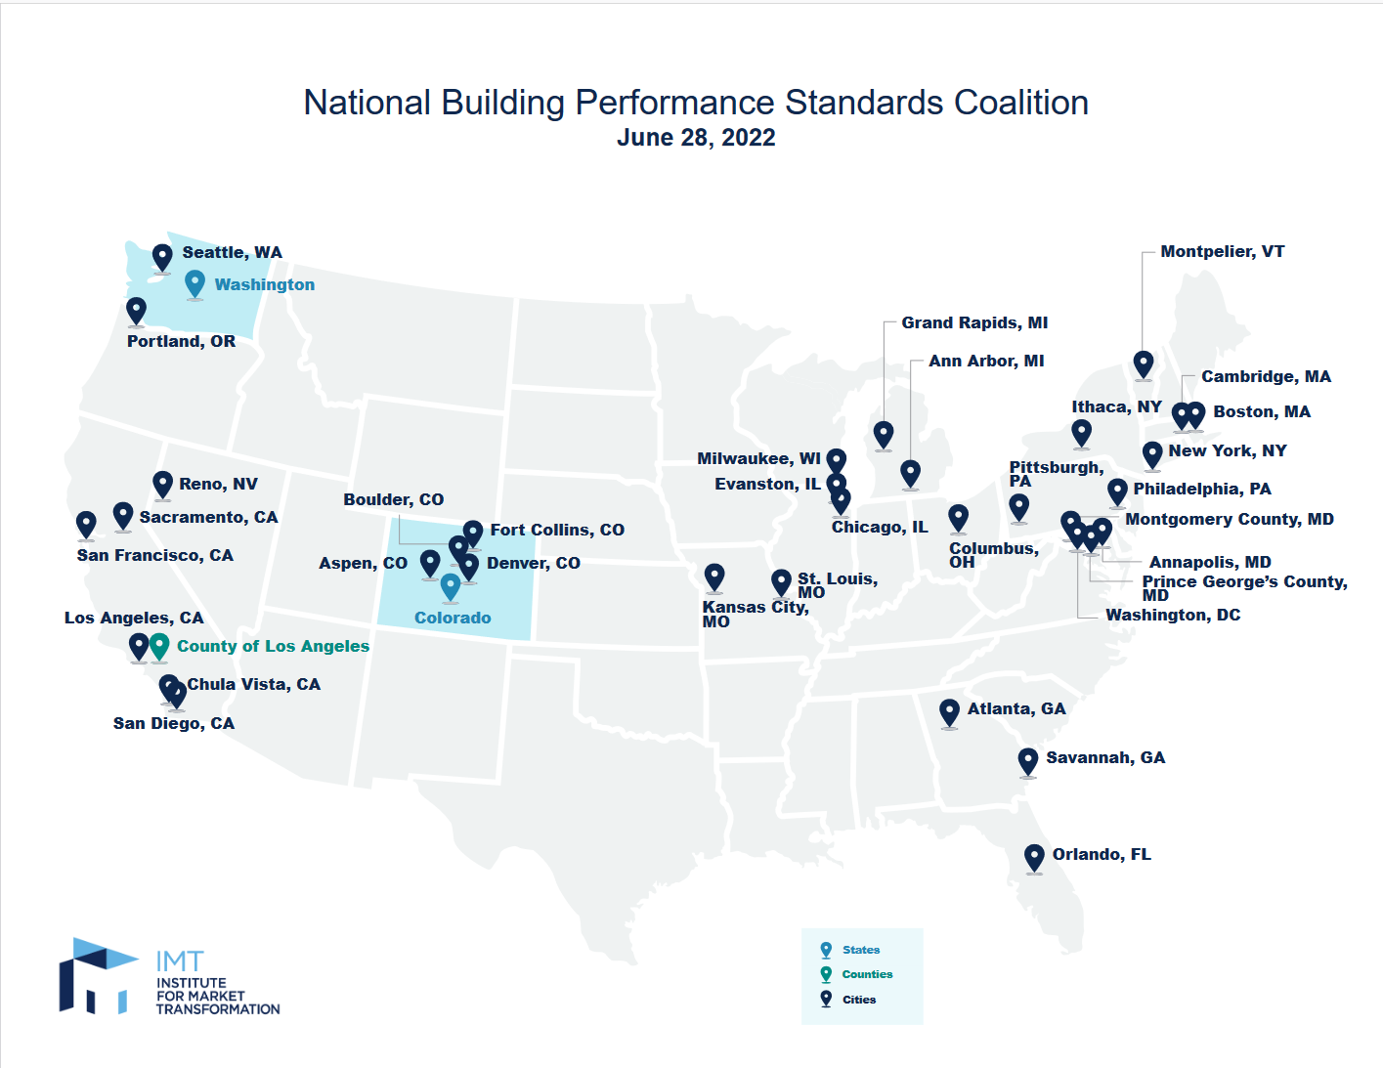
SOURCE: | IMT (2022)
Website: | https://www.imt.org/public-policy/building-performance-standards/
 | https://www.imt.org/resources/map-national-bps-coalition-participating-jurisdictions/

DATA:

