HEM Market
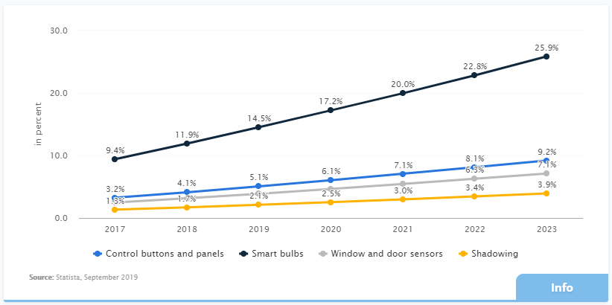
SOURCE: | Navigant (2019)
Website: | http://www.navigantresearch.com/reports/home-energy-management-overview
See: | Table 1: Home Energy Management Market Overview, 2019

DATA:

Table 1: Home Energy Management Market Overview, 2019
HEM Revenue by Segment, United States: 2019-2028
Segment | Units | 2019 | 2020 | 2021 | 2022 | 2023 | 2024 | 2025 | 2026 | 2027 | 2028
Home Energy Reports | ($ Millions) | $118.3 | $130.2 | $144.2 | $160.0 | $176.6 | $193.2 | $210.5 | $226.8 | $242.0 | $254.9
HEM Hardware | ($ Millions) | $1,678.3 | $1,870.9 | $2,092.2 | $2,293.0 | $2,504.5 | $2,709.4 | $2,849.6 | $3,019.1 | $3,107.8 | $3,169.7
HEM Software | ($ Millions) | $277.1 | $314.3 | $354.3 | $395.3 | $440.1 | $489.4 | $541.5 | $608.0 | $679.0 | $704.9
Services | ($ Millions) | $1.9 | $2.6 | $3.5 | $4.5 | $5.8 | $7.2 | $9.0 | $11.3 | $13.8 | $16.6
Total | ($ Millions) | $2,075.6 | $2,318.0 | $2,594.2 | $2,852.8 | $3,127.0 | $3,399.3 | $3,610.6 | $3,865.3 | $4,042.6 | $4,146.1
note: HER - Home Energy Reports, HEM - Home Energy Management

