Atlas EV Hub
SOURCE: | Atlas (2019)
Website: | http://www.atlasevhub.com/
See: | EV Hub

DATA:

 |  | EV Sales over Time
 |  | BMW | Fiat-Chrysler | Ford | General Motors | Honda | Nissan | Other | Tesla | Toyota
2010 | Qtr 1 | 0 | 0 | 0 | 0 | 0 | 0 | 0 | 0 | 0
2010 | Qtr 2 | 0 | 0 | 0 | 0 | 0 | 0 | 0 | 0 | 0
2010 | Qtr 3 | 0 | 0 | 0 | 0 | 0 | 0 | 0 | 0 | 0
2010 | Qtr 4 | 0 | 0 | 0 | 326 | 0 | 19 | 0 | 0 | 0
2011 | Qtr 1 | 0 | 0 | 0 | 1210 | 0 | 452 | 0 | 0 | 0
2011 | Qtr 2 | 0 | 0 | 0 | 1535 | 0 | 3423 | 8 | 0 | 0
2011 | Qtr 3 | 0 | 0 | 0 | 1150 | 0 | 3324 | 2 | 0 | 0
2011 | Qtr 4 | 0 | 0 | 0 | 3776 | 0 | 2475 | 376 | 0 | 0
2012 | Qtr 1 | 553 | 0 | 0 | 3915 | 0 | 1733 | 138 | 0 | 911
2012 | Qtr 2 | 416 | 0 | 95 | 4902 | 0 | 1415 | 324 | 0 | 3435
2012 | Qtr 3 | 0 | 0 | 131 | 7531 | 32 | 2064 | 113 | 160 | 3448
2012 | Qtr 4 | -4 | 0 | 2831 | 7113 | 61 | 4607 | 152 | 2490 | 5147
2013 | Qtr 1 | 0 | 0 | 1999 | 4244 | 91 | 3539 | 627 | 4900 | 2563
2013 | Qtr 2 | 0 | 0 | 2967 | 5638 | 400 | 6300 | 370 | 5150 | 2059
2013 | Qtr 3 | 0 | 0 | 4004 | 7188 | 313 | 6237 | 573 | 4100 | 4267
2013 | Qtr 4 | 0 | 0 | 6011 | 6590 | 291 | 6534 | 693 | 3500 | 4204
2014 | Qtr 1 | 0 | 0 | 4250 | 4058 | 169 | 5184 | 928 | 3189 | 3533
2014 | Qtr 2 | 694 | 0 | 6809 | 5583 | 232 | 7552 | 1468 | 3600 | 6313
2014 | Qtr 3 | 2477 | 0 | 6284 | 6679 | 255 | 9086 | 1532 | 3900 | 2963
2014 | Qtr 4 | 3476 | 0 | 4604 | 4940 | 200 | 8378 | 2737 | 6000 | 1639
2015 | Qtr 1 | 3022 | 0 | 3844 | 2541 | 46 | 4085 | 2327 | 4700 | 1284
2015 | Qtr 2 | 2167 | 0 | 4800 | 5459 | 14 | 5731 | 4062 | 6900 | 1623
2015 | Qtr 3 | 4046 | 0 | 5200 | 4138 | 3 | 3814 | 3580 | 5406 | 1144
2015 | Qtr 4 | 4828 | 0 | 5079 | 6908 | 2 | 3639 | 3937 | 8410 | 158
2016 | Qtr 1 | 1776 | 0 | 4458 | 4856 | 0 | 2931 | 4807 | 8790 | 23
2016 | Qtr 2 | 4392 | 0 | 6448 | 7180 | 0 | 2494 | 5259 | 10240 | 19
2016 | Qtr 3 | 5545 | 0 | 6781 | 7485 | 0 | 3445 | 6363 | 14939 | 10
2016 | Qtr 4 | 4348 | 0 | 7109 | 9319 | 0 | 4768 | 7995 | 13150 | 2422
2017 | Qtr 1 | 3227 | 0 | 4910 | 8671 | 0 | 3287 | 7082 | 10400 | 4346
2017 | Qtr 2 | 4702 | 0 | 5585 | 9924 | 0 | 3961 | 7749 | 9740 | 5346
2017 | Qtr 3 | 5353 | 0 | 4870 | 11202 | 101 | 3492 | 7912 | 15002 | 5364
2017 | Qtr 4 | 7451 | 0 | 4224 | 14096 | 1923 | 490 | 8531 | 15005 | 5880
2018 | Qtr 1 | 5442 | 0 | 2977 | 7900 | 2921 | 2545 | 9064 | 17980 | 6468
2018 | Qtr 2 | 5792 | 0 | 2388 | 7909 | 4422 | 4114 | 10350 | 26197 | 7787
2018 | Qtr 3 | 5074 | 0 | 1475 | 9438 | 5286 | 4027 | 8996 | 69925 | 6268
2018 | Qtr 4 | 6618 | 0 | 2376 | 11309 | 6921 | 4029 | 10712 | 77525 | 7072
2019 | Qtr 1 | 3097 | 0 | 1741 | 6848 | 3954 | 2685 | 8872 | 29900 | 4148
2019 | Qtr 2 | 3958 | 0 | 1865 | 5115 | 3049 | 3323 | 11717 | 53975 | 4457
2019 | Qtr 3 | 2820 | 0 | 2040 | 5711 | 2187 | 3103 | 12552 | 51850 | 7100
2019 | Qtr 4 | 0 | 0 | 0 | 0 | 0 | 0 | 0 | 0 | 0

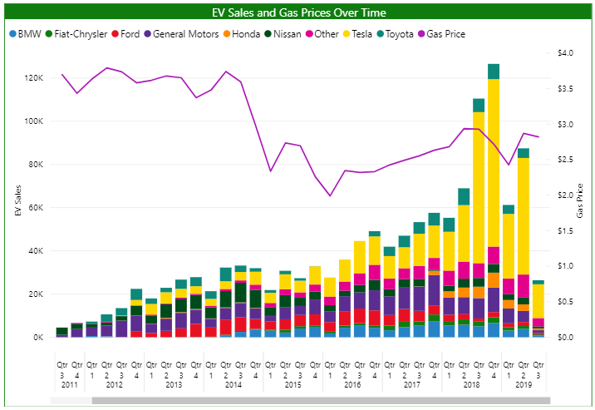
Source: Atlas EV Hub
https://www.atlasevhub.com/

